Prep
point 3
IV char of a VDR |  | r - decade | 50
 |  | measured
IV char of a VDR
I (mA) | U | Ux | Uy | Iy
0 | 0.0 |  |  | 0
0.1 | 0.8 |  |  | 0
0.3 | 1.1 |  |  | 0
0.5 | 1.4 | 1.4 | 0.3 | 0.006
1 | 1.8 |  | 0.2 | 0.004
3 | 2.6 |  | 0.3 | 0.006
5 | 3.1 |  | 0.4 | 0.008
10 | 4.0 |  | 0.8 | 0.016
30 | 6.0 |  | 1.8 | 0.036
50 | 7.2 |  | 2.8 | 0.056
100 | 9.2 |  | 5.6 | 0.112

Exp1
point a)
 | Amplitude | ac | u2/u1
f (Hz) | u1 (V) | u2 (V) |  | Gain (dB)
1 | 3.6 | 0.44 | 0.12222222222 | -18.256996486
2 | 3.44 | 1.52 | 0.44186046512 | -7.0942970925
3 | 4.34 | 2.28 | 0.52534562212 | -5.5910976502
4 | 5.92 | 2.92 | 0.49324324324 | -6.1387771055
5 | 5.92 | 3.4 | 0.57432432432 | -4.8168557936
6 | 5.9 | 3.84 | 0.65084745763 | -3.7304157455
7 | 5.9 | 4.16 | 0.70508474576 | -3.0351736203
8 | 5.92 | 4.44 | 0.75 | -2.4987747322
9 | 5.9 | 4.64 | 0.78644067797 | -2.0866806217
10 | 5.9 | 4.84 | 0.82033898305 | -1.720133
20 | 5.9 | 5.56 | 0.94237288136 | -0.5155444012 | point b)
30 | 5.9 | 5.72 | 0.96949152542 | -0.26911965698 |  | screenshot with cursor to indicate Vpp
50 | 5.9 | 5.8 | 0.98305084746 | -0.14848036158 |  | explaination of transient phenomeno with ac coupling

exp2
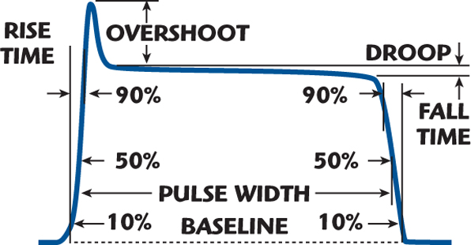
point a
screenshot with following parameters
 | rise
 | fall
 | pulse duration

point b
screenshot with cursor and measure for time delay

